Stage spacing
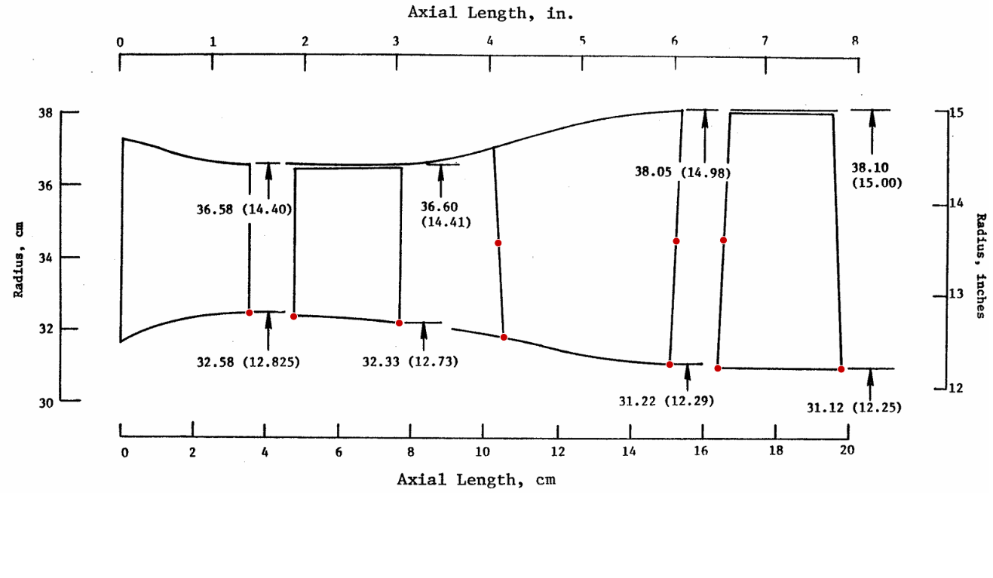
3.512465374 | 32.54916898
4.734418283 | 32.45879501
7.645429363 | 32.31094183
10.34279778 | 34.61357341
10.533241 | 31.94944598
15.25034626 | 34.73234072
15.11391967 | 31.23718837
16.43975069 | 31.14819945
16.54847645 | 34.77631579
19.84210526 | 31.16689751

